Sheet1
Test No. | Test Description | Expected Outcome | Actual Outcome | Success (Yes/No)
1.1 | Checking if all links click | Navigates to every link that is clicked on
1.2 | Check if website works on all devices under 768px | Responds well on those screen sizes | 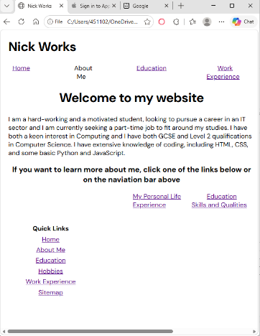 The 'Gallery' link on the nav bar have disappeared to the right and the body links have been laid out into 2 rows when it went on mobile view, so these must fixed by presenting the links on the body as a column and make the nav bar links be in a form of a dropdown menu when clicked on the header on mobile view so it has space for the main page to be presented
1.3
1.4

